%Impact due to Price Change
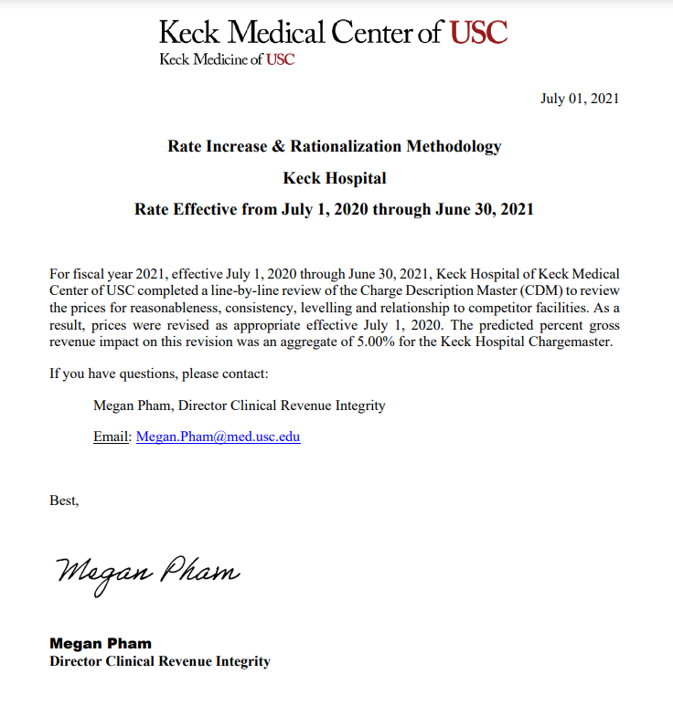
Hospital Name: Keck Hospital of Keck Medical Center of USC | Total Gross Revenue (Old Price) | Total Gross Revenue (New Price) | New Gross Revenue Based on Annual Price Increase
Estimated Percentage Change in Gross revenue Due to Price Changes
Based on Price Adjustment on CDMs Effective on 07/01/2020
 | $1,604,095,122 | $1,684,299,748 | $80,204,626
 | % Change Estimate in Gross Revenue based on Price Adjs. |  | 5.00%

